Sheet1
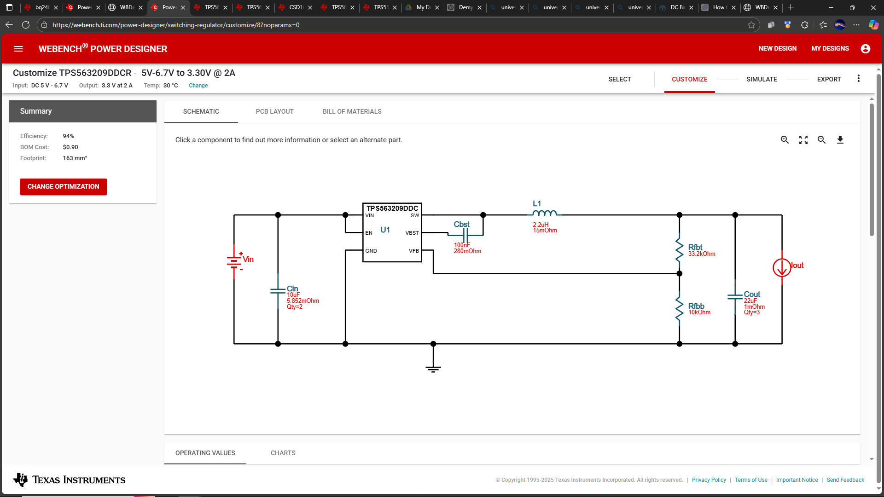
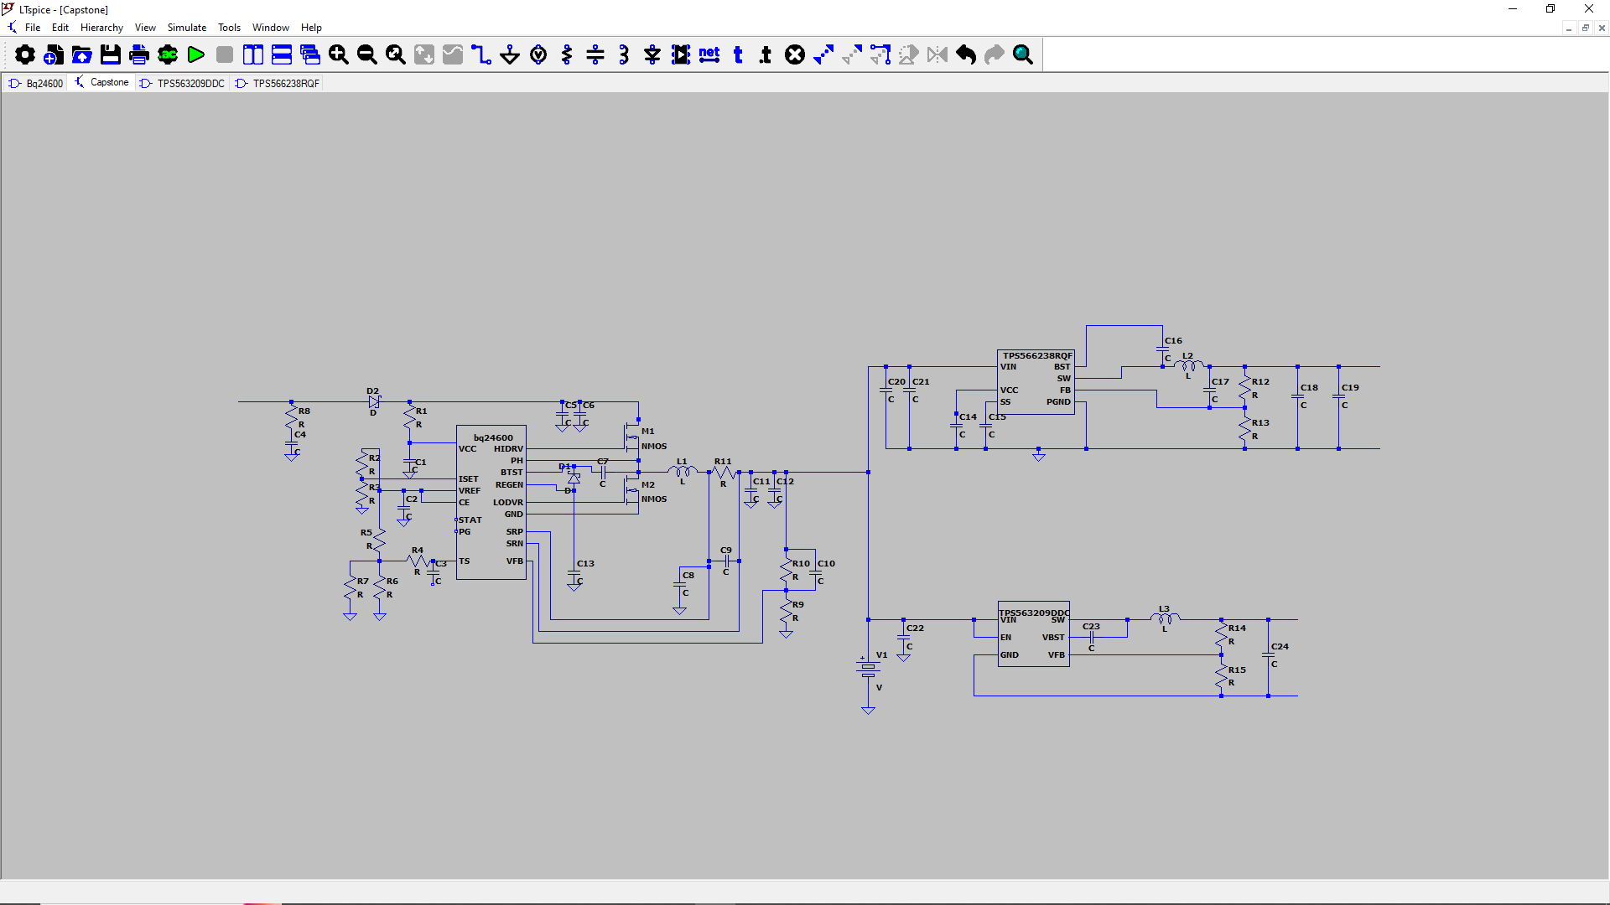
Part Designator |  | QYT | Description
Q4,Q5 | https://www.digikey.com/en/products/detail/vishay-siliconix/SIR426DP-T1-GE3/2408527 | 2 | N-channel MOSFET, 40 V, 30 A, PowerPAK SO-8, Vishay-Siliconix, SiR426D
D1 | https://www.digikey.com/en/products/detail/onsemi/BAT54CLT3G/1792157?s=N4IgTCBcDaIEIEEAqBWALAYQDYBcDMA5iALoC%2BQA | 1 | Diode, dual Schottky, 30 V, 200 mA, SOT23, Fairchild, BAT54C
D2 |  | 1 | Schottky diode, 40V, 5A, SMC, ON Semiconductor, MBRS540T
RSR | https://www.digikey.com/en/products/detail/vishay-dale/WSL2010R0100FEA18/712518 | 2 | Sense resistor, 10 mΩ, 1%, 1 W, 2010, Vishay-Dale, WSL2010R0100F
L1 | https://www.mouser.com/ProductDetail/Vishay-Dale/IHLP2525CZER3R3MA1?qs=ROh%252BA47s9d1%252BbNZuCM0reg%3D%3D | 1 | Inductor, 3.3 μH, 5.5 A, Vishay-Dale, IHLP2525CZ
C8,C9,C12,C13 | https://www.digikey.com/en/products/detail/murata-electronics/GRM32ER7YA106KA12L/2039041?s=N4IgTCBcDaIOICUCyBmMBRBB2AmgQQEYAGANgGlCwAZEAXQF8g | 4 | Capacitor, ceramic, 10 μF, 35 V, 10%, X7R
C2 | https://www.mouser.com/ProductDetail/TDK/CGA5L3X7R1H225K160AB?qs=NRhsANhppD8gvgY8df5YXQ%3D%3D | 1 | Capacitor, ceramic, 3.3µF, 50 V, 10%, X7R
C4, C5 | https://www.digikey.com/en/products/detail/kemet/C1206C105K4RACTU/411529 | 2 | Capacitor, ceramic, 1 μF, 16V, 10%, X7
C7 | https://www.digikey.com/en/products/detail/murata-electronics/GRM32ER71H105KA01L/7363051 | 1 | Capacitor, ceramic, 1µF, 50 V, 10%, X7R
C1,C6,C11 | https://www.digikey.com/en/products/detail/kemet/C0603C104K4RAC7411/8570360 | 4 | Capacitor, ceramic, 0.1 μF, 16 V, 10%, X7R
Cff | https://www.digikey.com/en/products/detail/murata-electronics/DE11XRB220KN4AR01F/8024678 | 1 | Capacitor, ceramic, 22 pF, 35 V, 10%, X7R
C10 | https://www.digikey.com/en/products/detail/kemet/C0603C104K5RACTU/1465594 | 1 | Capacitor, ceramic, 0.1 μF, 50V, 10%
R1,R7 | https://www.digikey.com/en/products/detail/susumu/RR0816P-104-D/432233?s=N4IgTCBcDaIEpwAwA4CMA2ACgWlYgLNgCIA6ALueSALoC%2BQA | 2 | Resistor, chip, 100 kΩ, 1/16W, 0.5
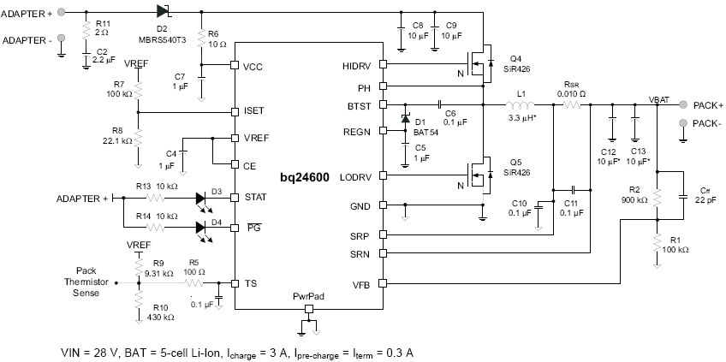
R2 | https://www.digikey.com/en/products/detail/susumu/RR0816P-304-D/432244?s=N4IgTCBcDaIEpwAwA4CMA2ACgWgMyIBZsARAHQBcQBdAXyA | 1 | Resistor, chip, 300 kΩ, 1/16W, 0.5%
R8 | https://www.digikey.com/en/products/detail/susumu/RR0816P-154-D/432237?s=N4IgTCBcDaIEpwAwA4CMA2ACgWlQVgBZsARAHQBcQBdAXyA | 1 | Resistor, chip,150 kΩ, 1/16W, 0.5
R9 | https://www.digikey.com/en/products/detail/stackpole-electronics-inc/RMCF0402FT9K31/1761618 | 1 | Resistor, chip, 9.31 kΩ, 1/16W, 1%
R10 | https://www.digikey.com/en/products/detail/yageo/RC0402FR-07442KL/726612 | 1 | Resistor, chip, 440 kΩ, 1/16W, 1%
R11 | https://www.digikey.com/en/products/detail/stackpole-electronics-inc/RMCF2512JT2R00/1757010 | 1 | Resistor, chip, 2Ω, 1W, 5%
R13,R14 | https://www.digikey.com/en/products/detail/venkel/CR0603-16W-103JT/12326823 | 2 | Resistor, chip, 10 kΩ, 1/16W, 5%
R5 | https://www.digikey.com/en/products/detail/susumu/RR0816P-101-D/432161 | 1 | Resistor, chip, 100 Ω, 1/16W, 0.5%
R6 | https://www.digikey.com/en/products/detail/stackpole-electronics-inc/RMCF2512JT10R0/1756974 | 1 | Resistor, chip, 10 Ω, 1W, 5%
D3, D4 |  | 2 | LED diode, green, 2.1 V, 20 mA, LTST-C190GKT
BQ24600 |  | 1 | bq24600Stand-AloneSynchronousSwitch-ModeLi-IonorLi-PolymerBatteryCharger |  |  |  | Information - 18650BatteryStore.com - Checkout | wc
 |  | 35
AC/DC Converter |  | 1 | 10V/10A AC/DC barral jack converter
Vbatt |  | 2 | 3.7V Li-io battery cell
Barral Jack(F) |  | 1 | Dc Power Jack Socket 2.1mm Barrel-Type Pcb Mount
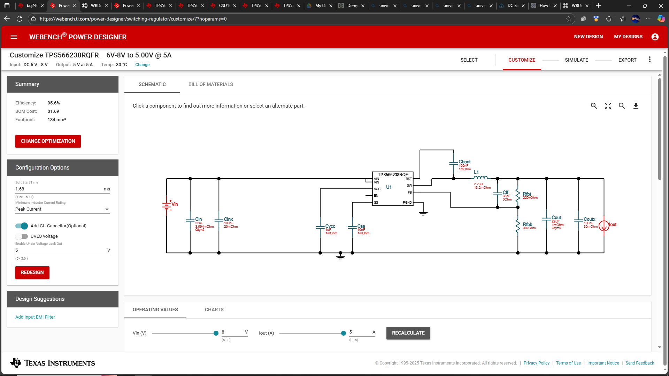
Barral Jack(M) |  | 1 | DC Barrel Jack Adapter - Male 2.1mm
 |  | 1 | 103ATN TC thermestor

Part | Manufacturer | Part Number | Quantity | Price ($) | Footprint (mm²) | Description
Rfbb | Yageo | RC0603FR-0730KL | 1 | 0.01 | 4.68 | Resistance: 30 kΩ Tolerance: 1.0% Power: 100 mW
Rfbt | Yageo | RC0603FR-07220KL | 1 | 0.01 | 4.68 | Resistance: 220 kΩ Tolerance: 1.0% Power: 100 mW
Cboot | MuRata | GRM155R71C104KA88D | 1 | 0.01 | 3 | Cap: 100 nF Total Derated Cap: 100 nF VDC: 16 V ESR: 1 mΩ Package: 0402
Css | MuRata | GRM155R71C103KA01D | 1 | 0.01 | 3 | Cap: 10 nF Total Derated Cap: 10 nF VDC: 16 V ESR: 1 mΩ Package: 0402
Coutx | MuRata | GRM188R71E104KA01D | 1 | 0.01 | 4.68 | Cap: 100 nF Total Derated Cap: 99 nF VDC: 25 V ESR: 30 mΩ Package: 0603
Cin | Taiyo Yuden | MSASE21GBB5226MTNA01 | 2 | 0.14369 | 6.75 | Cap: 22 µF Total Derated Cap: 11 µF VDC: 16 V ESR: 3.99 mΩ Package: 0805
L2 | Coilcraft | XAL5030-222MEB | 1 | 0.63 | 54.45 | L: 2.2 µH DCR: 13.2 mΩ IDC: 9.2 A
U1 | Texas Instruments | TPS566238RQFR | 1 | 0.322 | 7.5
Cvcc | Taiyo Yuden | EMK107B7105KA-T | 1 | 0.01 | 4.68 | Cap: 1 µF Total Derated Cap: 1 µF VDC: 16 V ESR: 1 mΩ Package: 0603
Cout | Taiyo Yuden | LMK212BJ226MG-T | 4 | 0.09 | 6.75 | Cap: 22 µF Total Derated Cap: 44 µF VDC: 10 V ESR: 1 mΩ Package: 0805
Cinx | MuRata | GRM188R71H104KA93D | 1 | 0.02 | 4.68 | Cap: 100 nF Total Derated Cap: 99 nF VDC: 50 V ESR: 20 mΩ Package: 0603
Cff' | TDK | CGA1A2C0G1E330J030BA | 1 | 0.01 | 2.08 | Cap: 33 pF Total Derated Cap: 33 pF VDC: 25 V ESR: 0 Ω Package: 0201
https://www.digikey.com/en/products/detail/kyocera-avx/KGM15ACG1E330JT/1599201
Cbst | AVX | 08053C104KAT2A | 1 | 0.01 | 6.75 | Cap: 100 nF Total Derated Cap: 100 nF VDC: 25 V ESR: 280 mΩ Package: 0805
Cin | Taiyo Yuden | MSAST219LB5106KTNA01 | 2 | 0.09498 | 6.75 | Cap: 10 µF Total Derated Cap: 7.9 µF VDC: 25 V ESR: 5.85 mΩ Package: 0805
Cout | MuRata | GRM188R60J226MEA0D | 3 | 0.04 | 4.68 | Cap: 22 µF Total Derated Cap: 24 µF VDC: 6.3 V ESR: 1 mΩ Package: 0603
L3 | TDK | VLP8040T-2R2N | 1 | 0.22 | 113.42 | L: 2.2 µH DCR: 15 mΩ IDC: 6.7 A | https://www.digikey.com/en/products/detail/bourns-inc/SRN8040-2R2Y/2756174
Rfbb'' | Yageo | RC0201FR-0710KL | 1 | 0.01 | 2.08 | Resistance: 10 kΩ Tolerance: 1.0% Power: 50 mW
Rfbt'' | Vishay-Dale | CRCW040233K2FKED | 1 | 0.01 | 3 | Resistance: 33.2 kΩ Tolerance: 1.0% Power: 63 mW
U2 | Texas Instruments | TPS563209DDCR | 1 | 0.342 | 10.14
https://www.digikey.com/en/products/detail/vishay-dale/M55342K11B10E0RS3/2941889

